ART
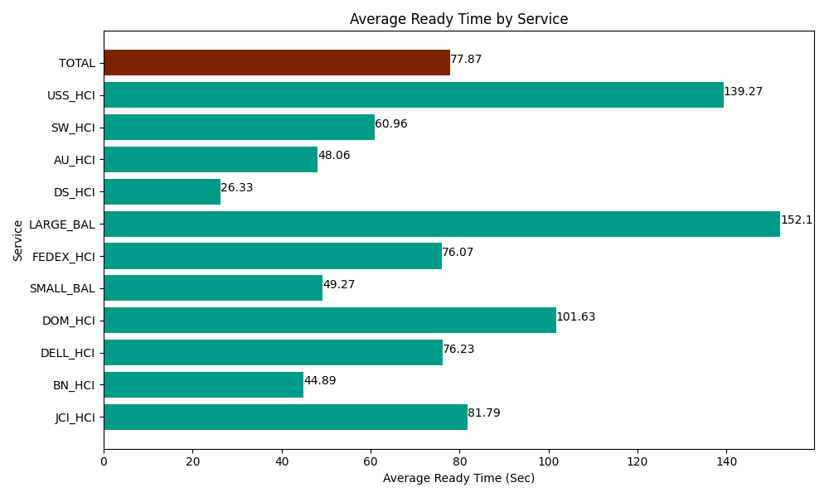
Date | Service | Successful Op Transfer | In Call (Sec) | Ready (Sec) | Wrapup (Sec) | Not Ready (Sec) | Average Ready Time (Sec)
05-01-2024 | JCI_HCI | 215 | 19522.199707 | 17584.200439 | 23406.000366 | 3747.0000458 | 81.79
05-01-2024 | BN_HCI | 704 | 36784.200439 | 31602.000732 | 61220.998535 | 30670.200806 | 44.89
05-01-2024 | DELL_HCI | 67 | 4646.9998169 | 5107.2001648 | 16723.200073 | 5182.7998352 | 76.23
05-01-2024 | DOM_HCI | 16 | 1380 | 1626.0000229 | 1648.1999588 | 18.000000715 | 101.63
05-01-2024 | SMALL_BAL | 53 | 3827.9999542 | 2611.2000275 | 4882.7998352 | 3430.8000183 | 49.27
05-01-2024 | FEDEX_HCI | 38 | 3463.2000732 | 2890.8000183 | 2095.8000183 | 2079.0000916 | 76.07
05-01-2024 | LARGE_BAL | 2 | 36.000001431 | 304.2000103 | 121.19999886 | 36.000001431 | 152.1
05-01-2024 | DS_HCI | 411 | 43492.199707 | 10822.199707 | 49684.200439 | 45525 | 26.33
05-01-2024 | AU_HCI | 70 | 6433.2000732 | 3364.1999817 | 5835 | 4582.2001648 | 48.06
05-01-2024 | SW_HCI | 89 | 4839.0000916 | 5425.1998901 | 5053.2000732 | 4093.2000732 | 60.96
05-01-2024 | USS_HCI | 58 | 7520.9999084 | 8077.800293 | 7681.7999268 | 1624.7999954 | 139.27
 | TOTAL | 1723 | 131945.99977 | 89415.001287 | 178352.39923 | 100989.00103 | 77.87

